Complete Charts
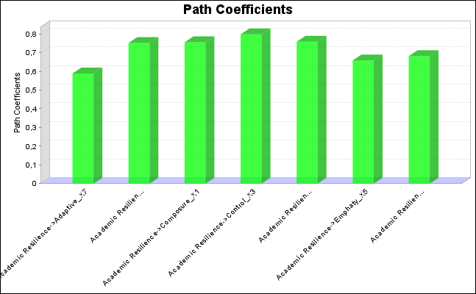
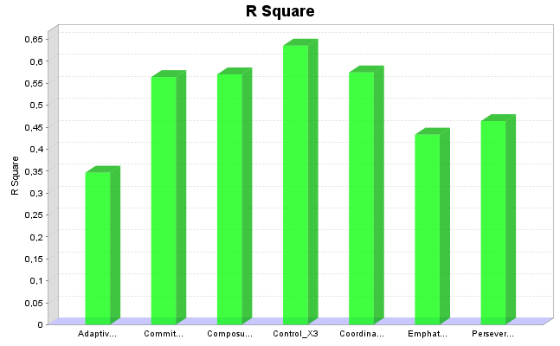

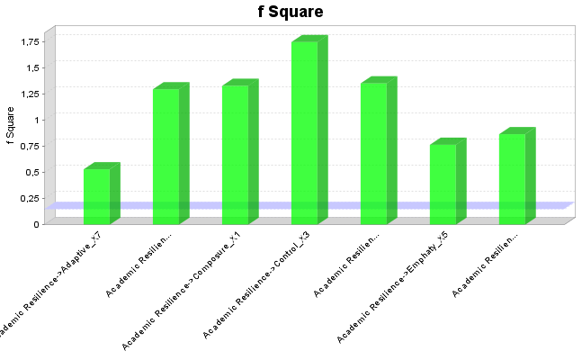
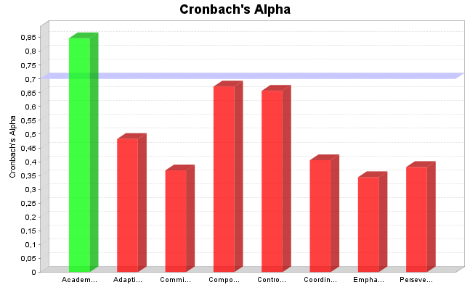

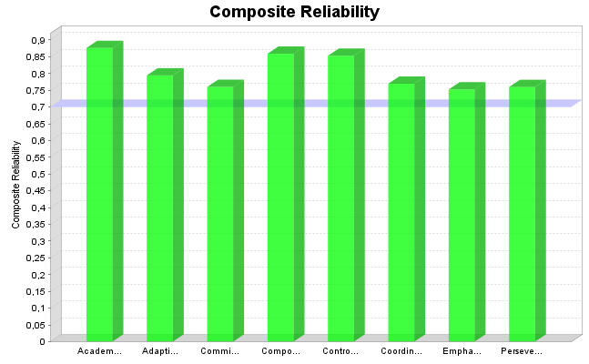
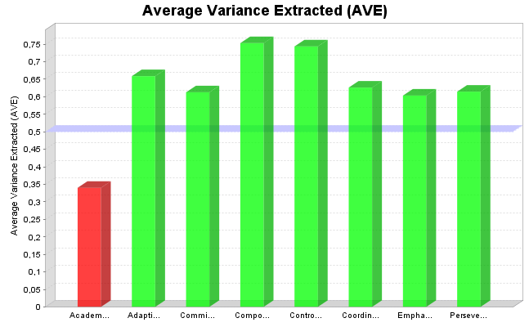
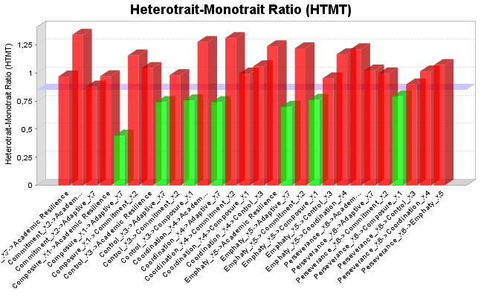
SmartPLS Report
Please cite the use of SmartPLS: Ringle, C. M., Wende, S., and Becker, J.-M. 2015. "SmartPLS 3." Boenningstedt: SmartPLS GmbH, http://www.smartpls.com.
back to navigation

